README


Image by ludex2014 from Pixabay

 |  | SBTi Steel Target Setting Tool |  | Version | 1.1
 |  |  |  | Support: | info@sciencebasedtargets.org

IMPORTANT: By using this tool you acknowledge that you have read, understood and agree to our Terms of Use and Disclaimer.

Terms of use
This Tool is intended to enable companies to develop appropriate science-based emissions reductions targets, as well as to assist companies and interested third parties in assessing and evaluating companies' targets. These terms of use govern all access to and use of the Tool. Please read these terms carefully before accessing or using the Tool and any associated materials. By accepting these terms, you indicate that you have read and understood them and that you agree to abide by them. If you do not agree to these terms, you will not be able to use the Tool. The Science Based Targets initiative (SBTi) and its "Partner Organizations" (CDP, the United Nations Global Compact (UNGC), World Resources Institute (WRI), and the World Wide Fund for Nature (WWF)) reserve the right, at their discretion, to withdraw or amend the Tool without notice, and will not be liable if for any reason the Tool is unavailable at any time or for any period. Further, the Partner Organizations reserve the right to modify or replace any part of these terms of use. It is your responsibility to check these terms periodically for changes. Your continued use of the Tool following the posting of any changes to these terms constitutes acceptance of those changes.

Disclaimer
The Tool and associated materials have been prepared by the SBTi with a high degree of expertise and professionalism, and reflect current best practice in science-based target setting. However, the Partner Organizations, collectively and individually, do not warrant the Tool for any purpose, nor do they make any representations regarding its accuracy, completeness, timeliness or fitness for any use or purpose whatsoever. Information generated by the Tool is not intended to amount to advice on which reliance should be placed. Developing science-based targets is a multi-step process and appropriate company-wide science-based targets can only be developed after careful consideration of the necessary input data regarding company emissions and activity levels. Only then should emissions targets be developed. The SBTi does not examine, verify or hold any such input data provided by users of the Tool. The Tool relies on data obtained from a variety of third-party sources. This data was obtained from sources believed by the SBTi be reliable, but there can be no assurance as to the accuracy or completeness of this data. Further, scenarios and assumptions included in the Tool are inherently uncertain due to events or combinations of events that cannot reasonably be foreseen, including, without limitation, the actions of governments, organizations and individuals. The Partner Organizations, collectively and individually, make no warranties or representations about the accuracy or completeness of the data or assumptions contained in this Tool. You therefore understand that you use the Tool at your own discretion and risk. You agree that you are not entitled to rely on any information generated by the Tool. You further agree to hold the Partner Organizations, collectively and individually, harmless for loss you might suffer arising out of any inaccuracies in information generated by the Tool. Under no circumstances shall the Partner Organizations, collectively and individually,

References
This tool uses data from the publicly available 1.5C aligned pathways from the IEA Net Zero by 2050; as modified by the SBTi.
IEA Net Zero by 2050 - A Roadmap for the Global Energy Sector

History of revisions

Version | Release Date |  | Description
Version 1.0 | 18-Jul-23 |  | Released for public use
Version 1.1 | 1-Jun-26 |  | Revisions and bug fixes to allow for base years after 2025

Acronyms and definitions

ACA | Absolute Contraction Approach
IEA | International Energy Agency
SDA | Sectoral Decarbonization Approach
WB-2C | Climate scenario aligned with a well-below 2 degree temperature goal
1.5C | Climate scenario aligned with a 1.5 degree temperature goal
tCO2e | Metric tonnes of carbon dioxide equivalent
kgCO2e | Kilograms of carbon dioxide equivalent

Iron & Steelmaker Tool
 | SBTi Steel Target Setting Tool

 | Version: | 1.1 |  | Required Input
 | Support: | info@sciencebasedtargets.org

Section 1. Input data
 |  |  |  |  | IMPORTANT NOTICE:

Target setting method | Sectoral Decarbonization Approach |  |  |  | This Tool is intended to support steel companies in their modeling of science-based emissions reductions targets, as well as to assist companies and interested third parties in assessing and evaluating companies' targets. However, to be approved by the Science Based Targets initiative, companies need to make sure their target(s) fulfill the SBTi criteria. Please review the SBTi Step by Step guide to access the latest criteria and resources: https://sciencebasedtargets.org/step-by-step-guide/
SDA scenario | SBTi 1.5C
SDA sector | Iron and steel - core boundary
Base year |  | Select a base year
Base year | Activity output |  | Tonnes of hot rolled steel |  |  | Also please note that the SBTi asseses "forward-looking" ambition of target(s) by using the year the target is submitted to the initiative (or the most recent GHG inventory). For further information, consult the SBTi Target Validation Protocol: https://sciencebasedtargets.org/resources/files/Target-Validation-Protocol.pdf
Base year | Emissions within the core boundary* |  |  | * Please refer to the iron & steel core boundary tab for relevant emissions

Target year |  |  |  |  | Please help us improve this tool by reporting issues related to functionalities and formatting: please contact info@sciencebasedtargets.org
Target year | Type of activity projection |  | Dropdown
Target year | Activity output |  | Tonnes of hot rolled steel

Scrap ratio in base year |  | Enter a value between 0 and 100%
Scrap ratio in target year |  | Enter a value between 0 and 100%

Section 2. Sectoral Decarbonization Approach

SDA sectoral data: Iron and steel - core boundary
#N/A
#N/A

 | Sector activity | Sector emissions within steel core boundary | Global scrap share projection
2014 | 1 | 1 | 1
2015 | 1 | 1 | 1
2016 | 1 | 1 | 1
2017 | 1 | 1 | 1
2018 | 1 | 1 | 1
2019 | 1 | 1 | 1
2020 | 1 | 1 | 1
2021 | 1 | 1 | 1
2022 | 1 | 1 | 1
2023 | 1 | 1 | 1
2024 | 1 | 1 | 1
2025 | 1 | 1 | 1
2026 | 1 | 1 | 1
2027 | 1 | 1 | 1
2028 | 1 | 1 | 1
2029 | 1 | 1 | 1
2030 | 1 | 1 | 1
2031 | 1 | 1 | 1
2032 | 1 | 1 | 1
2033 | 1 | 1 | 1
2034 | 1 | 0 | 1
2035 | 1 | 0 | 1
2036 | 1 | 0 | 1
2037 | 1 | 0 | 1
2038 | 1 | 0 | 1
2039 | 1 | 0 | 1
2040 | 1 | 0 | 1
2041 | 1 | 0 | 1
2042 | 1 | 0 | 1
2043 | 1 | 0 | 1
2044 | 1 | 0 | 1
2045 | 1 | 0 | 1
2046 | 1 | 0 | 1
2047 | 1 | 0 | 1
2048 | 1 | 0 | 1
2049 | 1 | 0 | 1
2050 | 1 | 0 | 1
 |  | Sectoral data (SBTi 1.5C)

SBTi 1.5C scenario
Review all target modelling data
 | Base year () | Target year () | % SBT reduction
Company | Emissions within core boundary (tCO2) |  |  |  | #N/A

Company | Emissions intensity within core boundary (tCO2/t) |  |  |  | #N/A

 | Company | Emissions within core boundary (tCO2) | Emissions Target
2014 | #N/A | 0
2015 | #N/A
2016 | #N/A
2017 | #N/A
2018 | #N/A
2019 | #N/A
2020 | #N/A
2021 | #N/A
2022 | #N/A
2023 | #N/A
2024 | #N/A
2025 | #N/A
2026 | #N/A
2027 | #N/A
2028 | #N/A
2029 | #N/A
2030 | #N/A
2031 | #N/A
2032 | #N/A
2033 | #N/A
2034 | #N/A
2035 | #N/A
2036 | #N/A
2037 | #N/A
2038 | #N/A
2039 | #N/A
2040 | #N/A
2041 | #N/A
2042 | #N/A
2043 | #N/A
2044 | #N/A
2045 | #N/A
2046 | #N/A
2047 | #N/A
2048 | #N/A
2049 | #N/A
2050 | #N/A
 | Company | Emissions intensity within core boundary (tCO2/t) | Scrap-input dependent sector pathway (tCO2/t) | Sector |100% ore-based emissions intensity | Sector |100% scrap-based emissions intensity | Emissions Intensity Target
2014 | #N/A | #N/A | 2.3499430714 | 0.5521 | 0.0
2015 | #N/A | 2.4211073569 | 2.4211073569 | 0.565125
2016 | #N/A | 2.4424018088 | 2.4424018088 | 0.5521
2017 | #N/A | 2.46428628 | 2.46428628 | 0.539075
2018 | #N/A | 2.4870676905 | 2.4870676905 | 0.52605
2019 | #N/A | 2.5098872061 | 2.5098872061 | 0.513025
2020 | #N/A | 2.4232181366 | 2.4232181366 | 0.5
2021 | #N/A | 2.297028909 | 2.297028909 | 0.486975
2022 | #N/A | 2.2325564834 | 2.2325564834 | 0.47395
2023 | #N/A | 2.169051893 | 2.169051893 | 0.460925
2024 | #N/A | 2.1051540204 | 2.1051540204 | 0.4479
2025 | #N/A | 2.040846922 | 2.040846922 | 0.434875
2026 | #N/A | 1.9761141243 | 1.9761141243 | 0.42185
2027 | #N/A | 1.9109385973 | 1.9109385973 | 0.408825
2028 | #N/A | 1.8442244065 | 1.8442244065 | 0.3958
2029 | #N/A | 1.7781484792 | 1.7781484792 | 0.382775
2030 | #N/A | 1.711575281 | 1.711575281 | 0.36975
2031 | #N/A | 1.6209301111 | 1.6209301111 | 0.356725
2032 | #N/A | 1.529490164 | 1.529490164 | 0.3437
2033 | #N/A | 1.4372390699 | 1.4372390699 | 0.330675
2034 | #N/A | 1.3441600282 | 1.3441600282 | 0.31765
2035 | #N/A | 1.2494897361 | 1.2494897361 | 0.304625
2036 | #N/A | 1.1547547561 | 1.1547547561 | 0.2916
2037 | #N/A | 1.0591391672 | 1.0591391672 | 0.278575
2038 | #N/A | 0.96262430683 | 0.96262430683 | 0.26555
2039 | #N/A | 0.86519100363 | 0.86519100363 | 0.252525
2040 | #N/A | 0.76681956033 | 0.76681956033 | 0.2395
2041 | #N/A | 0.70331405455 | 0.70331405455 | 0.226475
2042 | #N/A | 0.63933852504 | 0.63933852504 | 0.21345
2043 | #N/A | 0.57488195433 | 0.57488195433 | 0.200425
2044 | #N/A | 0.50993301904 | 0.50993301904 | 0.1874
2045 | #N/A | 0.44448007894 | 0.44448007894 | 0.174375
2046 | #N/A | 0.37876805614 | 0.37876805614 | 0.16135
2047 | #N/A | 0.3122325714 | 0.3122325714 | 0.148325
2048 | #N/A | 0.24515582754 | 0.24515582754 | 0.1353
2049 | #N/A | 0.17752478869 | 0.17752478869 | 0.122275
2050 | #N/A | 0.1093260394 | 0.1093260394 | 0.10925

Section 3. All target modelling data

 |  |  |  | 0 | 1 | 2 | 3 | 4 | 5 | 6 | 7 | 8 | 9 | 10 | 11 | 12 | 13 | 14 | 15 | 16 | 17 | 18 | 19 | 20
 | SDA - Iron and steel - core boundary | SBTi 1.5C | Company | Emissions within core boundary (tCO2)

 |  | Company | Emissions intensity within core boundary (tCO2/t)

Iron & steel core boundary
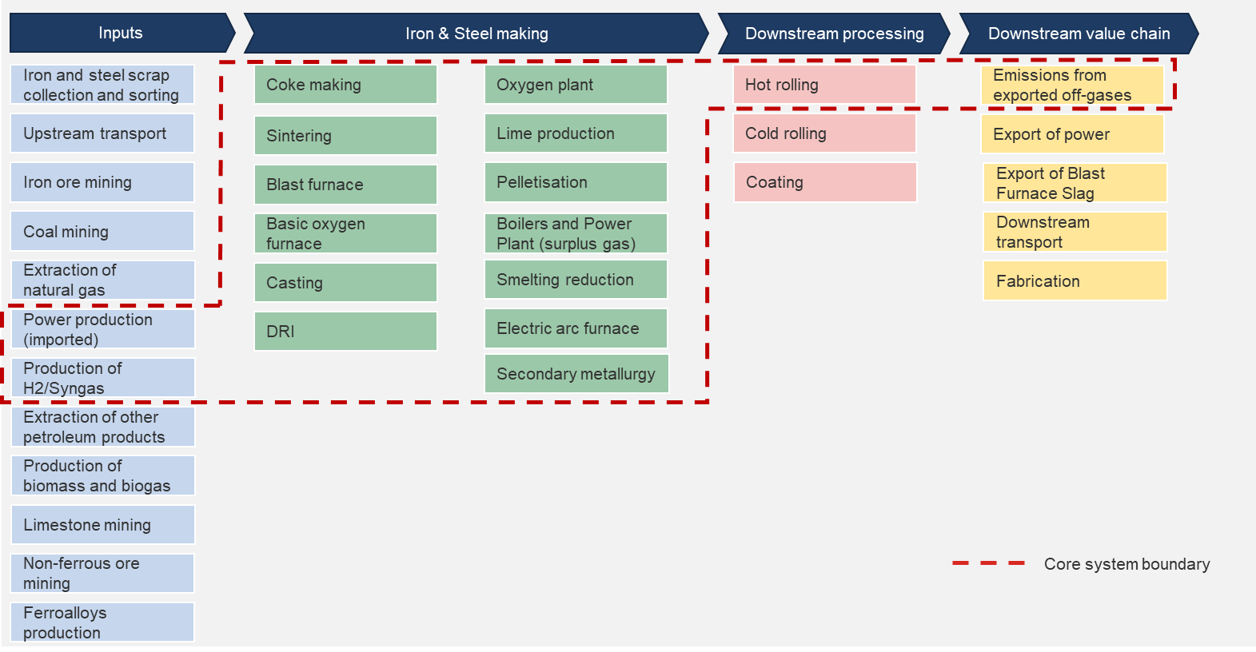
Iron & Steel Core Boundary

Target-setting flow chart
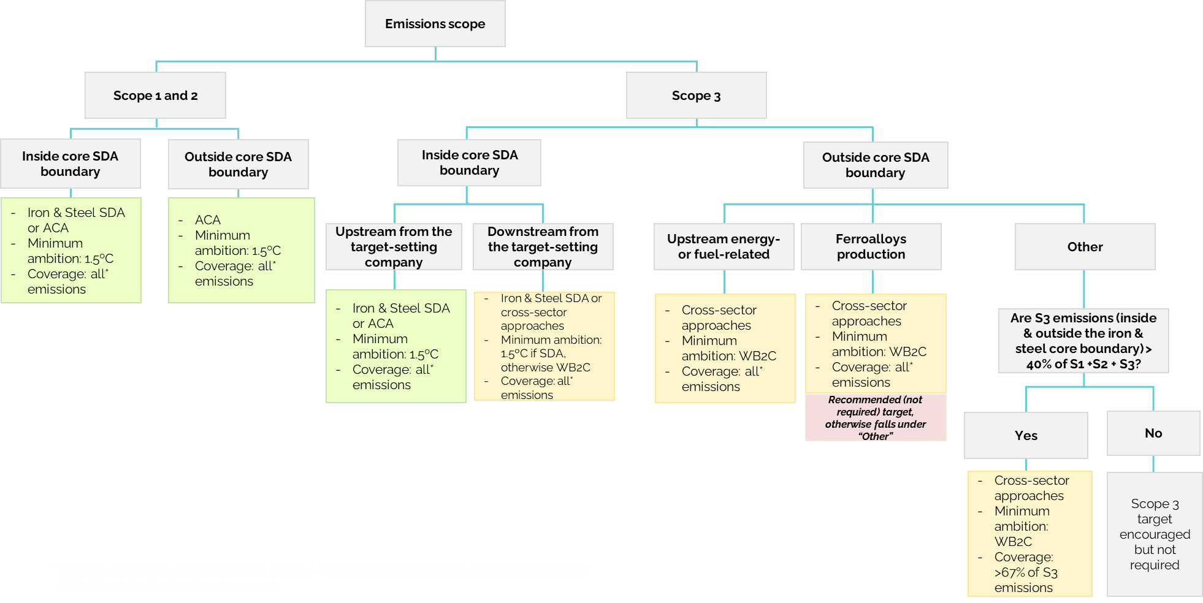
Which near-term target-setting methods can Iron & Steel companies use?

