README
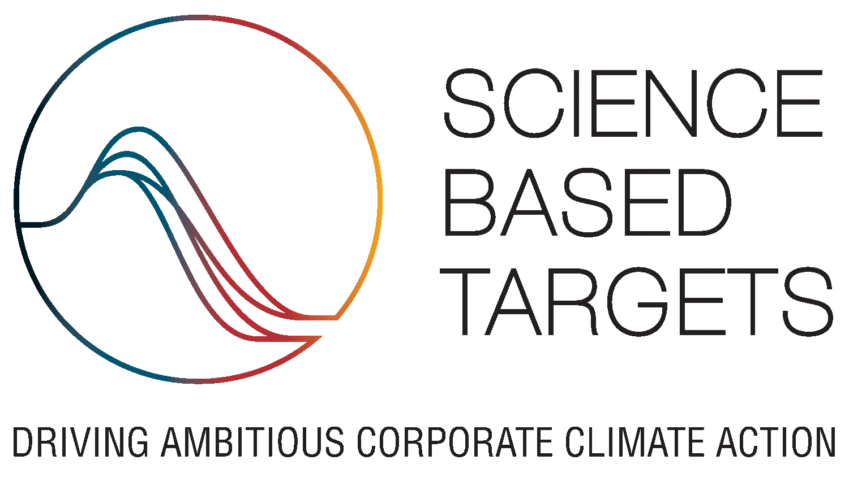 SBTi Financial Institutions Net-Zero Target-Setting Tool Version: 1.0 Date: September 04, 2025 Support: info@sciencebasedtargets.org

IMPORTANT: By using this tool you acknowledge that you have read, understood, and agree to our Terms of Use and Disclaimer.

Terms of use
This Tool is intended to enable companies to develop appropriate science-based emissions reductions targets, as well as to assist companies and interested third parties in assessing and evaluating companies' targets. These terms of use govern all access to and use of the Tool. Please read these terms carefully before accessing or using the Tool and any associated materials. By accepting these terms, you indicate that you have read and understood them and that you agree to abide by them. If you do not agree to these terms, you will not be able to use the Tool. It is your responsibility to check these terms periodically for changes. Your continued use of the Tool following the posting of any changes to these terms constitutes acceptance of those changes.

Disclaimer
Although reasonable care was taken in the preparation of this Tool, the Science Based Targets initiative (SBTi) hereby states and affirms that the Tool is provided without warranty, either expressed or implied, of accuracy, completeness or fitness for purpose. The SBTi hereby further disclaims any liability, direct or indirect, for damages or loss relating to the use of this Tool to the fullest extent permitted by law. This Tool is based on a voluntary framework or procedures and is not intended to replace the legal or regulatory requirements of any country. Developing science-based targets is a multi-step process and appropriate company-wide science-based targets can only be developed after careful consideration of the necessary input data such as financial exposure, climate-alignment of counterparties, and emissions. Only then should science-based targets be developed. The SBTi does not examine, verify or hold all of the input data provided by users of the Tool. The information (including data) contained in the Tool is not intended to constitute or form the basis of any advice (financial or otherwise). The Tool relies on data obtained from a variety of third-party sources. This data was obtained from sources believed by SBTi be reliable, but there can be no assurance as to the accuracy or completeness of this data. Further, scenarios and assumptions included in the Tool are inherently uncertain due to events or combinations of events that cannot reasonably be foreseen, including, without limitation, the actions of governments, organizations and individuals. The SBTi does not accept any liability for any claim or loss arising from any use of or reliance on any data or information in the Tool. This Tool is protected by copyright. Information or material from this Tool may be reproduced only in unaltered form for personal, non-commercial use. All other rights are reserved. Information or material used from this Tool may be used only for the purposes of private stud

References
Science Based Targets initiative financial institutions website
Tool Documentation
Financial Institutions Net-Zero Standard V1.0
Financial Institutions Net-Zero Standard Target Submission Form
Financial Institutions Target-setting Resources

History of revisions

Version | Release date | Description
1.0 | September 04, 2025 | First release.

Acronyms and definitions

FLAG | Forest, Land, and Agriculture
IEA NZE | International Energy Agency Net Zero Emissions by 2050 Scenario
MW | Megawatt
MWh | Megawatt-Hour
OECD | Organization for Economic Co-operation and Development
RPK | Revenue Passenger Kilometers
RTK | Revenue Tonne Kilometers
SBTi 1.5˚C | Climate Scenario Aligned with Limiting Global Warming to 1.5˚C
tCO2e | Tonne of Carbon Dioxide Equivalent
v.km | Vehicle-Kilometer
ZEV | Zero-Emissions Vehicle

